Councils
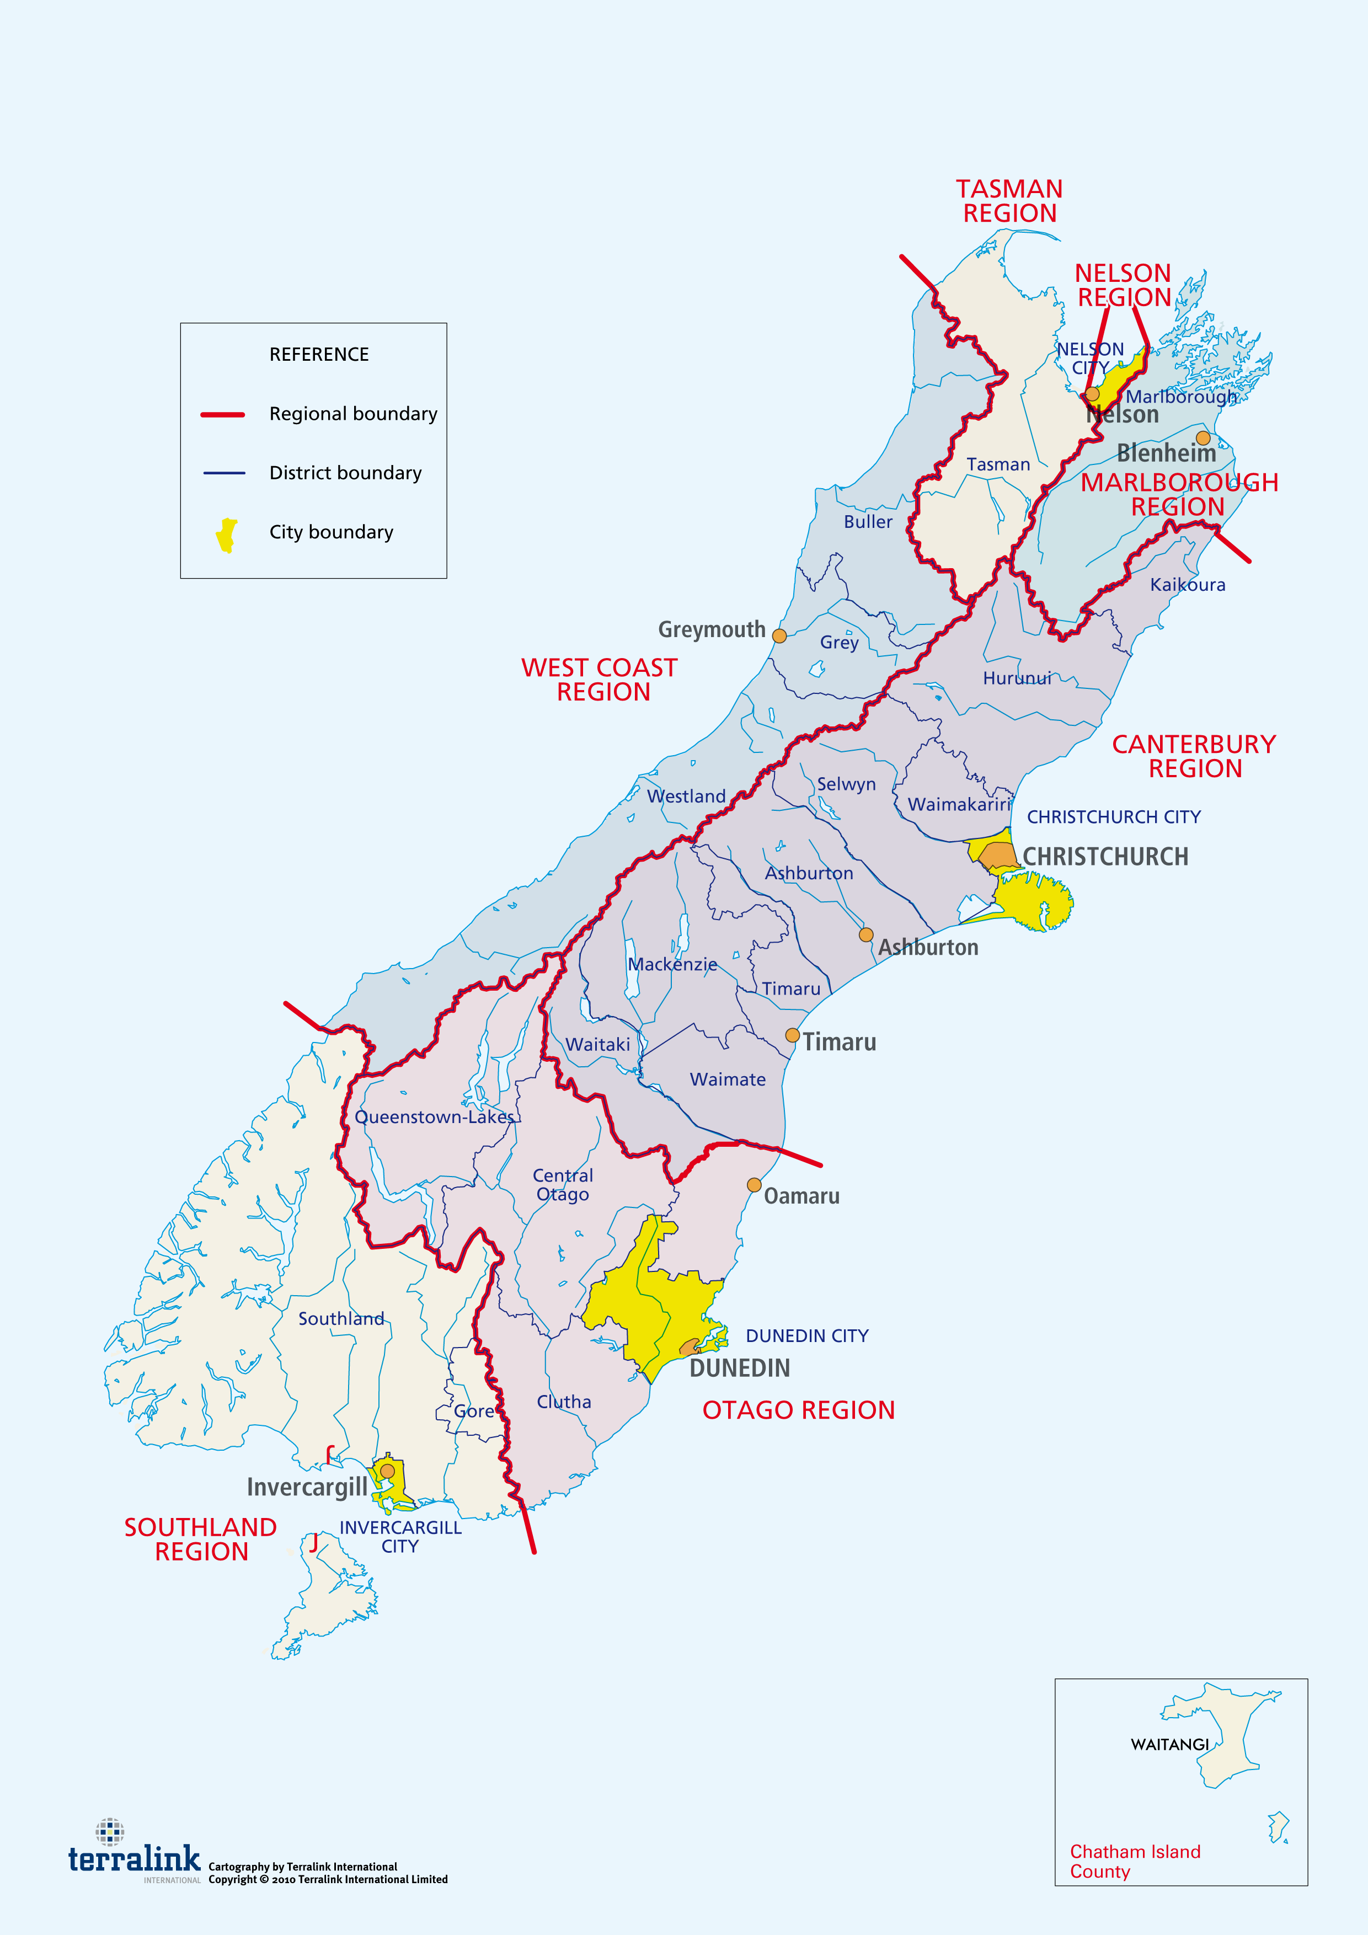
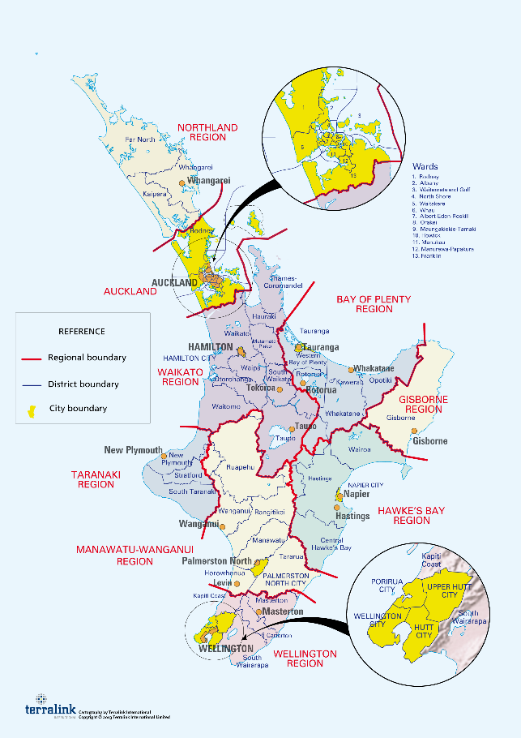
 |  | (A) | (B) | (C) | (D) | (E) | (F) | (G) | (H) | TOTAL
Council | Type | Known extant reptile species native to the region | Species inferred to be present in the region based on being present in at least two surrounding regions or having been found very close to the regional border | Reptile species that may be extant in the region but have not been recorded to date | Reptile species believed to have once been present in the region but they are now extinct or highly likely to be extinct | Reptile species reintroduced to the region after becoming extinct | Reptile species introduced to a region that were not likely to have been present historically | Taxonomic uncertainties present (reptile taxa which require taxonomic confirmation to confirm their true identity) | Reptile species introduced to New Zealand from other countries e.g. Australia | Total species
Canterbury | Regional | 37 | 1 |  | 2 |  |  | 1 |  | 41
Northland | Regional | 35 | 1 |  | 2 |  |  |  | 1 | 39
Otago | Regional | 31 | 1 | 2 | 1 | 1 |  | 1 |  | 37
Southland | Regional | 30 | 1 |  | 2 |  |  | 3 |  | 36
West Coast | Regional | 29 | 2 |  | 2 |  |  |  | 1 | 34
Manawatu-Wanganui | Regional | 22 | 3 | 1 | 7 |  |  |  | 1 | 34
Waikato | Regional | 27 |  | 1 | 2 |  |  |  | 1 | 31
Auckland | Unitary | 26 |  | 1 | 2 |  |  |  | 1 | 30
Marlborough | Unitary | 26 | 3 |  |  |  |  |  | 1 | 30
Bay of Plenty | Regional | 22 | 1 | 2 | 3 |  |  |  | 1 | 29
Tasman | Unitary | 23 | 2 |  | 2 |  |  | 1 |  | 28
Taranaki | Regional | 13 | 3 |  | 8 |  |  | 2 | 1 | 27
Wellington | Regional | 19 |  |  | 3 | 1 | 2 | 1 | 1 | 27
Hawke's Bay | Regional | 13 | 3 | 3 | 4 | 1 | 1 |  | 1 | 26
Gisborne | Unitary | 16 | 1 | 2 | 4 | 1 |  |  | 1 | 25
Nelson | Unitary | 10 | 3 |  | 4 | 1 |  |  | 1 | 19
Chatham Islands | Unitary | 4 | 0 |  |  |  |  |  |  | 4

